Sheet1
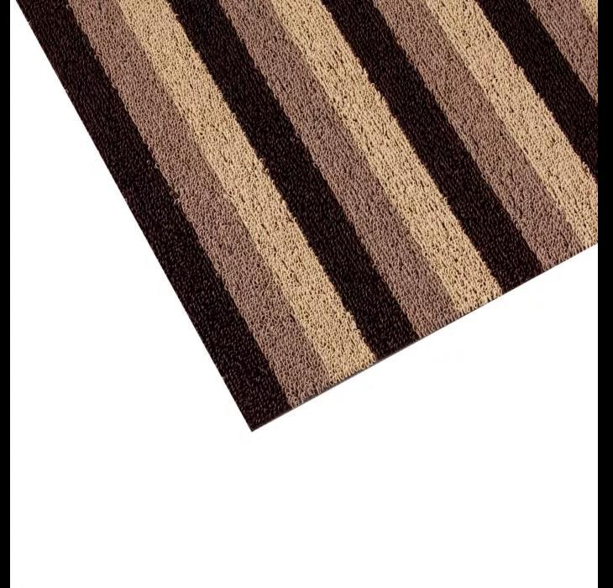
Picture | Item code | Description | Extra information | Restriction | Stock | Sales price EXW | Retail price | Barcode | Quantity PU | Quantity pallet | Pallet | Origin | Customs code | Item weight | Languages on package | Group
 | S-09554 | Mat roll Inuci 907 Cream lines 100cm wide (m2) | RC000154 |  | 137 | 5 |  | NO EAN |  |  |  | B | 57033088 | 0 |  | Mat roll Inuci 907 Cream lines 100cm wide (m2)

